Dashboard
Test Details |  |  |  |  |  | PayPal Test login |  |  |  |  |  | WorldPay Credit Card
tbc |  |  |  |  |  | User |  | Password |  |  |  | Number | Security
 |  |  |  |  |  | bpc@pj-interactive.ro |  | S1nc1ty0 |  |  |  | 4444333322221111 | 123

 |  |  |  |  |  | All - Test cases | Pending | Failed | Passed | Can not Test | Sabre 2.1
 |  |  |  |  |  | 339 | 12 | 13 | 277 | 4 | 29

All - Test cases

WEB- Test cases | Pending | Failed | Passed | Can not Test | Sabre 2.1 | PIM - Test cases | Pending | Failed | Passed | Can not Test | Sabre 2.1 | OMS Test cases | Pending | Failed | Passed | Can not Test | Sabre 2.1
88 | 1 | 6 | 61 | 2 | 18 | 92 | 1 | 5 | 77 | 0 | 9 | 24 | 2 | 0 | 20 | 0 | 1
WEB Test Cases
PIM - Test cases
OMS Test cases

System Integration - Test cases | Pending | Failed | Passed | Can not Test | Sabre 2.1 | End to End - Test cases | Pending | Failed | Passed | Can not Test | Sabre 2.1 | Offline Order Flow- Test cases | Pending | Failed | Passed | Can not Test | Sabre 2.1
34 | 4 | 1 | 24 | 5 | 0 | 22 | 3 | 0 | 19 | 0 | 0 | 46 | 0 | 1 | 45 | 1 | 0
System Integration - Test cases
End to End - Test cases
Offline Order FLow- Test cases

ERP - Test cases | Pending | Failed | Passed | Can not Test | Sabre 2.1 | Customer Service - Test cases | Pending+Retest | Failed | Passed | Can not Test | Sabre 2.1
4 | 1 | 0 | 3 | 0 | 0 | 42 | 12 | 0 | 28 | 1 | 1
ERP - Test cases
Customer Service - Test cases

System Integration - Diagram
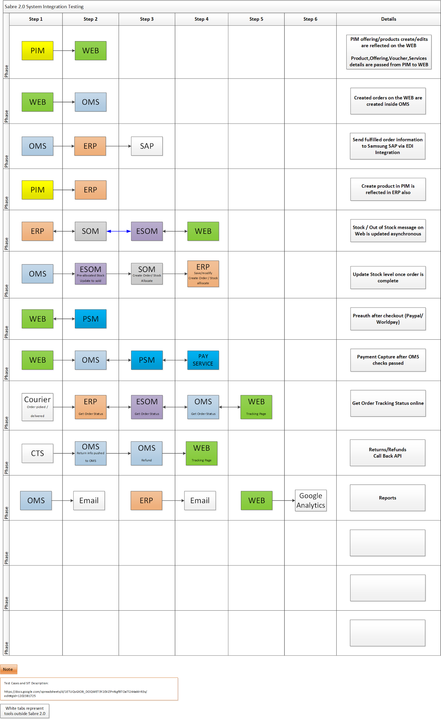
Sabre 2.0 - Test Cases

Feature | Live URL | Test URL
System Integration

